COVER PAGE
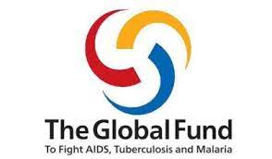
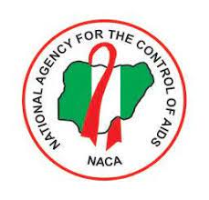

NATIONAL AGENCY FOR THE CONTROL OF AIDS (NACA) WITH FUNDING FROM GLOBAL FUND

RENOVATION AND UPGRADE OF SELECTED CENTRAL MEDICAL STORES IN THIRTEEN LOCATIONS IN NIGERIA UNDER THE GLOBAL FUND RESILIENT & SUSTAINABLE SYSTEMS FOR HEALTH [RSSH] II PROJECT GRANT

LOT 1
PROPOSED RENOVATION AND UPGRADE OF CENTRAL MEDICAL STORE/WAREHOUSE AT LAFIA, NASARAWA STATE

BILL OF QUANTITIES

MAY, 2022

